Funnel Overview
Insights
1. We see that there is a significant drop off of customers from when the session start to view of promotion of about 60% of customers who churn in all the 3 countries.
2. Overall, the trends of retention for all the sessions for the 3 countries are fairly the same from session start to purchase which means that customers have the same behaviour
3.We also have a significant decrease in retention rate from viewing the products on promotion to selecting the items they would like to buy. This might be an area of concern where we see most users churnning maybe because of the promotions which are not appealing or favourable or the discounts are just on few products leading to few customers proceeding to select items. Question(Why are customers not proceeding to select item they would have viewed)
Customers are not viewing the promotions at the rate we would expect and with the promotions we would expect that it will drive them to select items. This might mean the business needs to add or look into their promotions to make them more appealing that will drive the customers to view the promotions.
4. Customers are adding products to the cart. There's a positive retention rate when customers select items, they proceed to add to the cart and a few churn before beginning to checkout however the retention rate is good.
5 We also see decrease in retention rate at the purchase stage after customers begin the process to check out which is something to look into such as challenges the customers are facing either with the credit card payment platform or
for example entering bank card details during check-out comes always with a big drop which is something that we expect that most users churn at this stage
we wouldn't want to see huge changes of drop offs from one stage to the other. Each stage is indicating something about the customer behaviour
event_order | event_name | United_States | India | Canada | Full_perc | First_category_perce_drop | Sec_category_perce_drop | Third_category_perce_drop
1 | session_start | 117160 | 25059 | 20037 | 100% | 100% | 100% | 100%
2 | view_promotion | 44912 | 9551 | 7836 | 38.4% | 38.33% | 38.11% | 39.11%
3 | select_item | 5853 | 1223 | 988 | 4.97% | 5% | 4.88% | 4.93%
4 | add_to_cart | 5603 | 1162 | 993 | 4.78% | 4.78% | 4.64% | 4.96%
5 | begin_checkout | 4310 | 878 | 764 | 3.67% | 3.68% | 3.5% | 3.81%
6 | purchase | 1942 | 406 | 355 | 1.67% | 1.66% | 1.62% | 1.77%

 | United States |  |  |  | India |  |  |  | Canada
event_name | United_States | First_category_perce_drop |  | event_name | India | Sec_category_perce_drop |  | event_name | Canada | Third_category_perce_drop
session_start | 117160 | 100% |  | session_start | 25059 | 100% |  | session_start | 20037 | 100%
view_promotion | 44912 | 38.33% |  | view_promotion | 9551 | 38.11% |  | view_promotion | 7836 | 39.11%
select_item | 5853 | 5% |  | select_item | 1223 | 4.88% |  | select_item | 988 | 4.93%
add_to_cart | 5603 | 4.78% |  | add_to_cart | 1162 | 4.64% |  | add_to_cart | 993 | 4.96%
begin_checkout | 4310 | 3.68% |  | begin_checkout | 878 | 3.5% |  | begin_checkout | 764 | 3.81%
purchase | 1942 | 1.66% |  | purchase | 406 | 1.62% |  | purchase | 355 | 1.77%

 |  |  |  |  |  |  |  | Top 3 Countries Funnel Analysis
United_States Sales Funnel
India Sales Funnel

38.33%

Canada Sales Funnel

 | Other Additional Insights

Insights
1. We also have a significant decrease retention rate from viewing the products on promotion to selecting the items they would like to buy. This might be an area to look into target marketing specifically for each device, there's a n opportunity to grow the market segment by conducting targeted marketing through mobile social media platforms which can make it easier for customers to make more purchases using mobile devices.
 | event_name | Desktop | First_category_perce_drop |  |  | event_name | Mobile | Sec_category_perce_drop
 | session_start | 155100 | 100% |  |  | session_start | 106009 | 100%
 | view_promotion | 59486 | 38.35% |  |  | view_promotion | 40632 | 38.33%
 | select_item | 7612 | 4.91% |  |  | select_item | 5265 | 4.97%
 | add_to_cart | 7258 | 4.68% |  |  | add_to_cart | 5015 | 4.73%
 | begin_checkout | 5606 | 3.61% |  |  | begin_checkout | 3892 | 3.67%
 | purchase | 2515 | 1.62% |  |  | purchase | 1808 | 1.71%

Desktop Device Funnel
Mobile Device Funnel
 |  |  |  |  |  |  |  |  |  | Desktop vs Mobile Funnel Analysis

AB Testing Analysis
 | Test 1 | Black Friday campain |  |  |  |  |  |  |  |  | Test 2 | New year Campaign
 |  |  | Impressions | Estimated Clicks(Converted) | Conversion Rate | Standard Error | Z-score | P value | 95% Confidence Level | 99% Confidence Interval |  |  | Impressions | Estimated Clicks(Converted) | Conversion Rate | Standard Error | Z-score | P value | 95% Confidence Level | 99% Confidence Interval
 |  | Control(Black Friday_V1) | 8220 | 8 | 0.00097324 | 0.000343923 | -0.04 | 0.485 | NO | NO |  | Control(NewYear_V1) | 4430 | 57 | 0.01286682 | 0.0016932519217 | -53.5507 | 0 | YES | YES
 |  | Variant(Black Friday_V2) | 24276 | 24 | 0.00098863 | 0.00020170362687 |  |  |  |  |  | Variant(NewYear_V2) | 13039 | 30 | 0.23007899 | 0.0036858650166

 |  |  | Black Friday Campaign Distribution |  |  |  |  |  |  |  |  |  | New Year Campaign Distribution
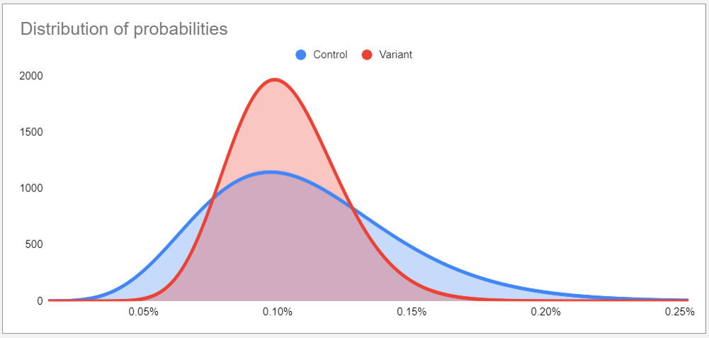
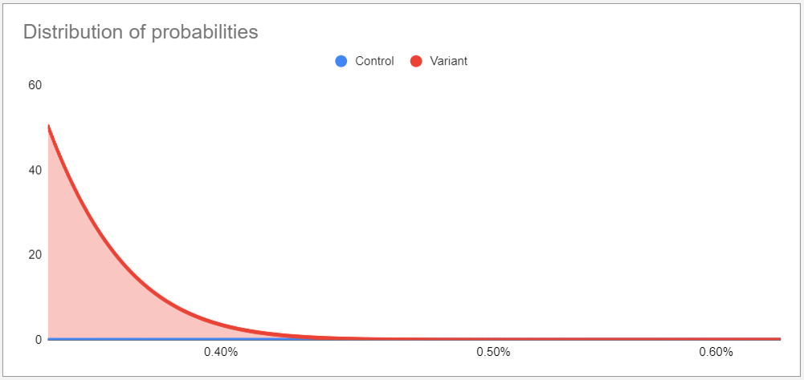

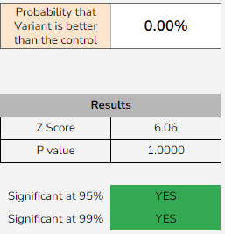
The observed difference in conversion rate is big enough to declare a significant winner. There is a difference in performance between NewYear Version 1 and NewYear version 2. The probability that the variant is better than zero is 0% which means that the first campain was a winner and successiful that the coversion rate was much higher than NewYear V2 campain.
P value is greater than the significant level variation for 95% CI, there fore you accept the hypothesis
Overall, NewYear V1 perfomed better than the V2.
 |  |  |  |  |  |  |  |  |  |  | Binomial Calculator Results
Binomial Calculator Results
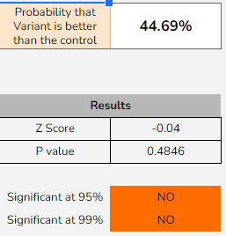
The observed difference in conversion rate isn't big enough to declare a significant winner. There is no real difference in performance between Black Friday Version 1 and Black Friday version 2.
The test is not statiscally significance at both Confidence Intervals of 95% and 99%.
P value is greater than the significant level variation for 95% CI, there fore you accept the hypothesis , which means that the results is better when probability is greater than 0.05.

